By Market
 | P R E S S R E L E A S E

 | PRESS EMBARGO FOR ALL DATA:
 | 8.00 AM (6.00 AM GMT), 17 April 2020

 | PROVISIONAL
 | NEW PASSENGER CAR REGISTRATIONS BY MARKET
 | EUROPEAN UNION1 + EFTA + UK

 |  |  |  |  |  | 2020-04-17
 | March | March | %Change | Jan-Mar | Jan-Mar | %Change
 | 2020 | 2019 | 20/19 | 2020 | 2019 | 20/19
AUSTRIA | 10,654 | 31,958 | -66.7 | 54,680 | 80,855 | -32.4
BELGIUM | 28,801 | 54,872 | -47.5 | 127,416 | 155,865 | -18.3
BULGARIA | 1,609 | 3,266 | -50.7 | 5,927 | 8,419 | -29.6
CROATIA | 2,716 | 5,049 | -46.2 | 10,001 | 12,173 | -17.8
CYPRUS | 742 | 888 | -16.4 | 2,941 | 2,800 | +5.0
CZECH REPUBLIC | 13,685 | 21,491 | -36.3 | 50,194 | 59,616 | -15.8
DENMARK | 15,183 | 26,316 | -42.3 | 48,859 | 66,266 | -26.3
ESTONIA | 1,685 | 2,233 | -24.5 | 5,647 | 6,174 | -8.5
FINLAND | 9,194 | 9,279 | -0.9 | 28,266 | 29,102 | -2.9
FRANCE | 62,668 | 225,818 | -72.2 | 364,679 | 553,335 | -34.1
GERMANY | 215,119 | 345,523 | -37.7 | 701,362 | 880,092 | -20.3
GREECE | 3,743 | 9,518 | -60.7 | 21,390 | 26,289 | -18.6
HUNGARY | 11,478 | 13,394 | -14.3 | 32,670 | 34,338 | -4.9
IRELAND | 6,152 | 16,687 | -63.1 | 50,700 | 64,126 | -20.9
ITALY | 28,326 | 194,302 | -85.4 | 347,193 | 538,067 | -35.5
LATVIA | 1,067 | 1,618 | -34.1 | 3,870 | 4,461 | -13.2
LITHUANIA | 2,236 | 3,957 | -43.5 | 10,728 | 10,200 | +5.2
LUXEMBOURG | 2,798 | 5,621 | -50.2 | 11,912 | 14,867 | -19.9
NETHERLANDS | 29,496 | 38,507 | -23.4 | 103,203 | 115,451 | -10.6
POLAND | 29,657 | 50,118 | -40.8 | 107,636 | 139,809 | -23.0
PORTUGAL | 10,596 | 24,900 | -57.4 | 45,282 | 59,445 | -23.8
ROMANIA | 6,654 | 9,813 | -32.2 | 27,979 | 35,836 | -21.9
SLOVAKIA | 5,013 | 9,222 | -45.6 | 18,966 | 23,897 | -20.6
SLOVENIA | 2,743 | 7,304 | -62.4 | 14,508 | 20,262 | -28.4
SPAIN | 37,644 | 122,659 | -69.3 | 218,705 | 316,890 | -31.0
SWEDEN | 27,649 | 30,256 | -8.6 | 66,141 | 73,880 | -10.5
EUROPEAN UNION (EU) | 567,308 | 1,264,569 | -55.1 | 2,480,855 | 3,332,515 | -25.6
EU142 | 488,023 | 1,136,216 | -57.0 | 2,189,788 | 2,974,530 | -26.4
EU123 | 79,285 | 128,353 | -38.2 | 291,067 | 357,985 | -18.7
ICELAND | 1,078 | 1,074 | +0.4 | 2,481 | 2,721 | -8.8
NORWAY | 12,451 | 18,375 | -32.2 | 32,358 | 38,485 | -15.9
SWITZERLAND | 17,556 | 28,958 | -39.4 | 55,452 | 72,065 | -23.1
EFTA | 31,085 | 48,407 | -35.8 | 90,291 | 113,271 | -20.3
UNITED KINGDOM | 254,684 | 458,054 | -44.4 | 483,557 | 701,036 | -31.0
TOTAL (EU + EFTA + UK) | 853,077 | 1,771,030 | -51.8 | 3,054,703 | 4,146,822 | -26.3
WESTERN EUROPE (EU14 + EFTA + UK) | 773,792 | 1,642,677 | -52.9 | 2,763,636 | 3,788,837 | -27.1
SOURCE: NATIONAL AUTOMOBILE MANUFACTURERS' ASSOCIATIONS
1Data for Malta n.a. |  |  | 3Member States having joined the EU since 2004
2Member States before the 2004 enlargement
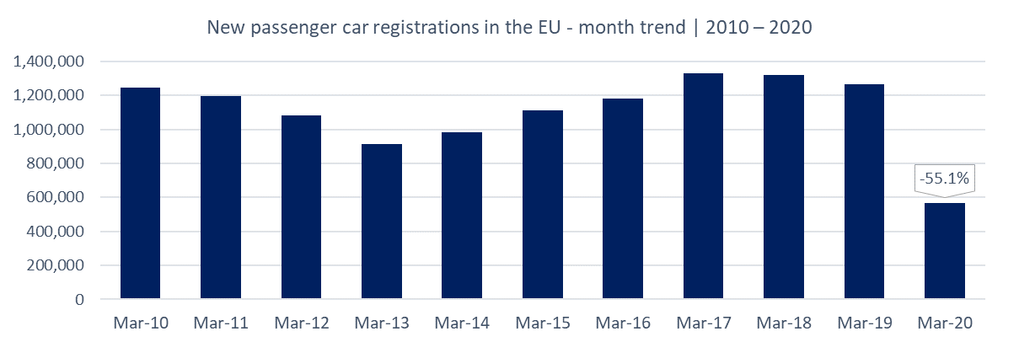

Next press release: Tuesday 19 May 2020
This information is available on the ACEA website: http://www.acea.be
 |  |  |  |  |  | Page 2 of 5

